R&T
Calculating Turnover & Retention Rates
There are a number of different ways to calculate staff turnover and retention rates. The new CMS Quality Measure for nursing homes bases it on Payroll Based Journal data, using a complex approach to arrive at auditable turnover rates for nursing staff. We have used quick calculations using cost report data to develop comparable annual retention and turnover rates. While less refined than the CMS approach, this method allows rates to be calculated for all staff or for a single department. They can also be calculated for the year or for any desired period of time (i.e., monthly, quarterly) which would allow an organization to track its own data over time. Entering figures (listed as annual figures) below in the yellow cells calculates quick turnover and retention rates. Note that due to the methodology, the turnover and retention calcs do not sum to 100%. The notes to the left indicate the data we use from the cost report when computing comparable rates for all homes.

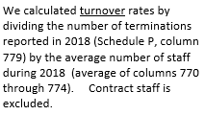
Turnover | 38%
Number of Terminations during the Year | 77
Average Number of Staff during the Year | 202

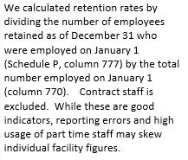
Retention | 73%
Count of Employees Employed All Year | 145
Count of Employees Employed Jan 1 | 200

